Sheet1
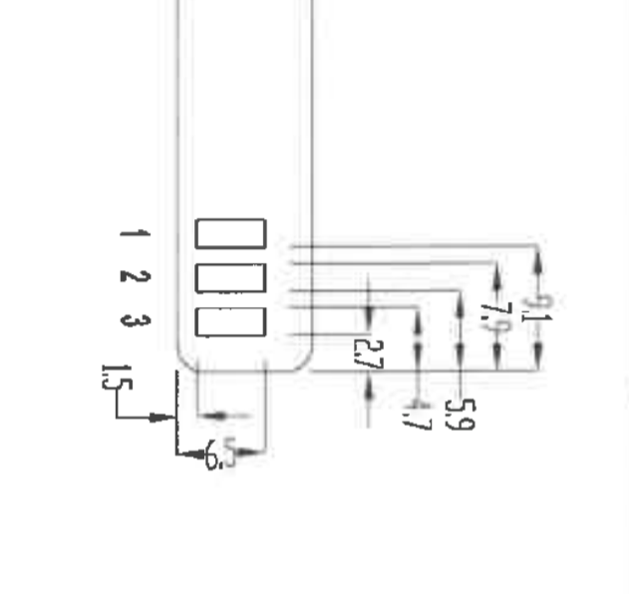

4.7 | 7.9 | 5.9 | 9.1
2.7 | 5.9 | 4.7 | 7.9
2 | 2 | 1.2 | 1.2

